Table 21
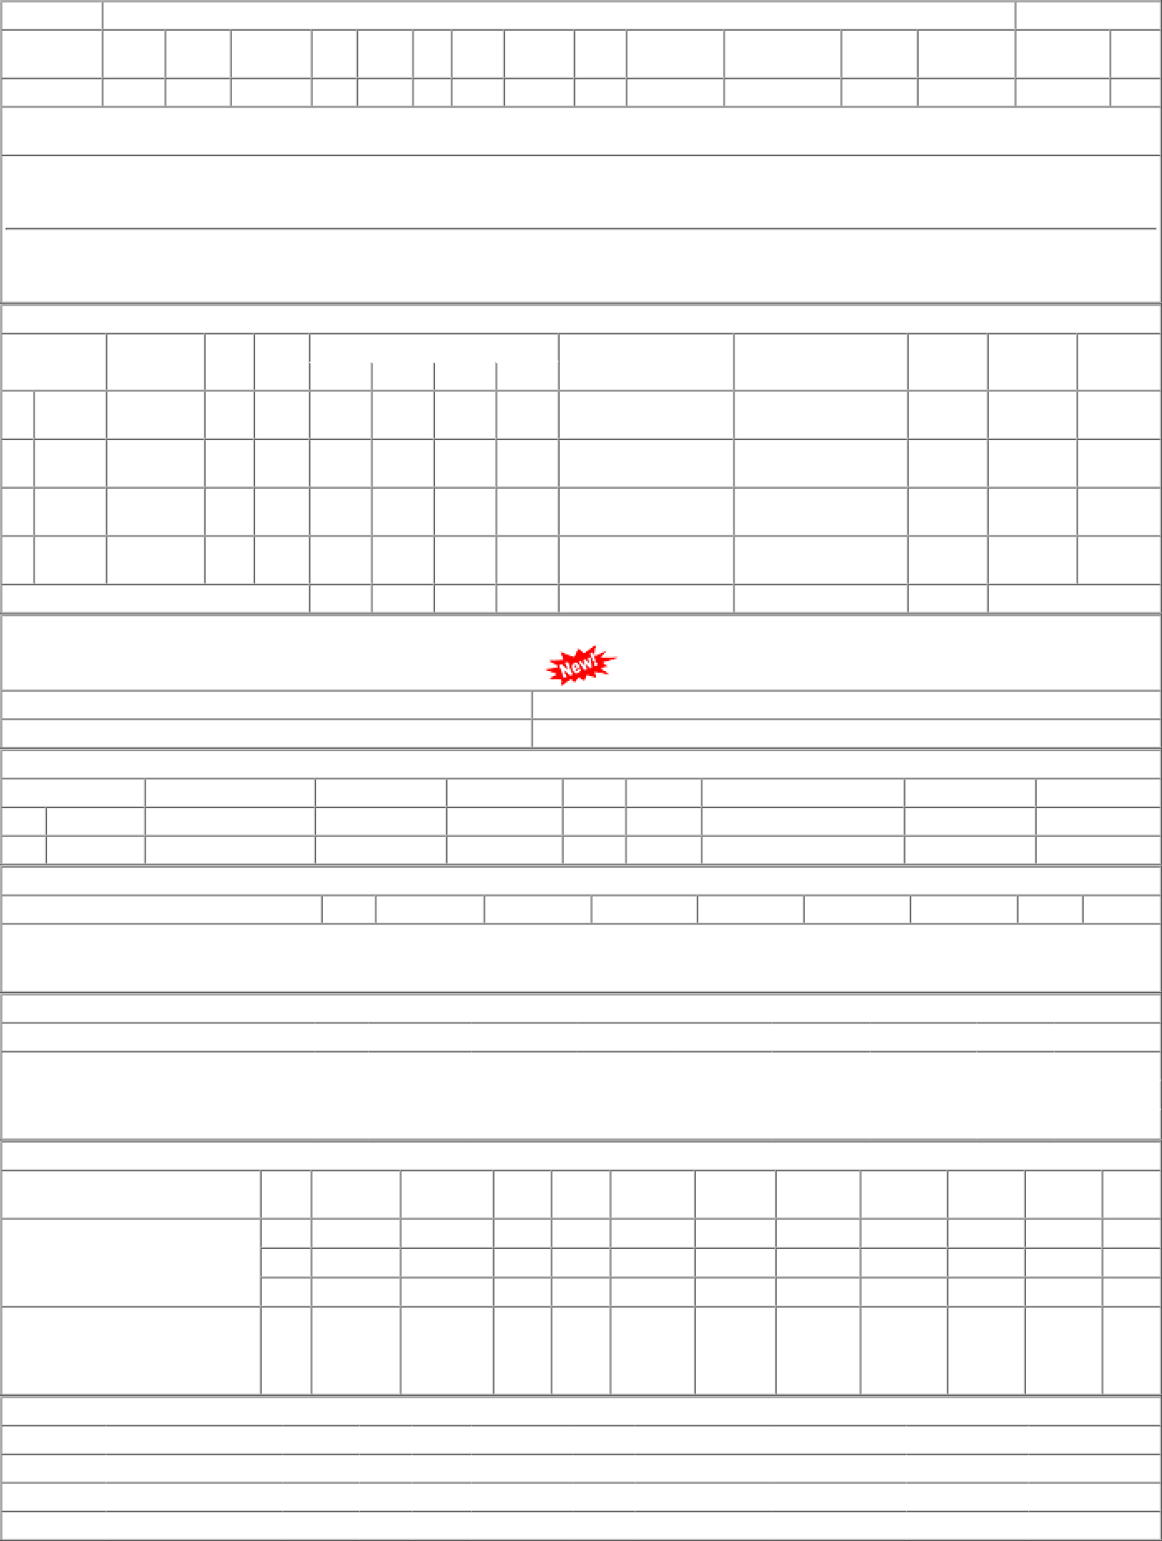
1 of 1 01-01-2023, 15:06

